Sheet1
 |  |  |  | Answer Expected
List1 | List2 | List3 | List4 | List1 | List2 | List3 | List4
Paradise | Melody | Youth | Courage | Paradise | Lighthouse | Inspiration | Courage
Dance | Forest | Quest | Nature | Opportunity | Beauty |  | Nature
Island | Xylophone | Inspiration | Radiance | Rainbow | Yearning |  | Radiance
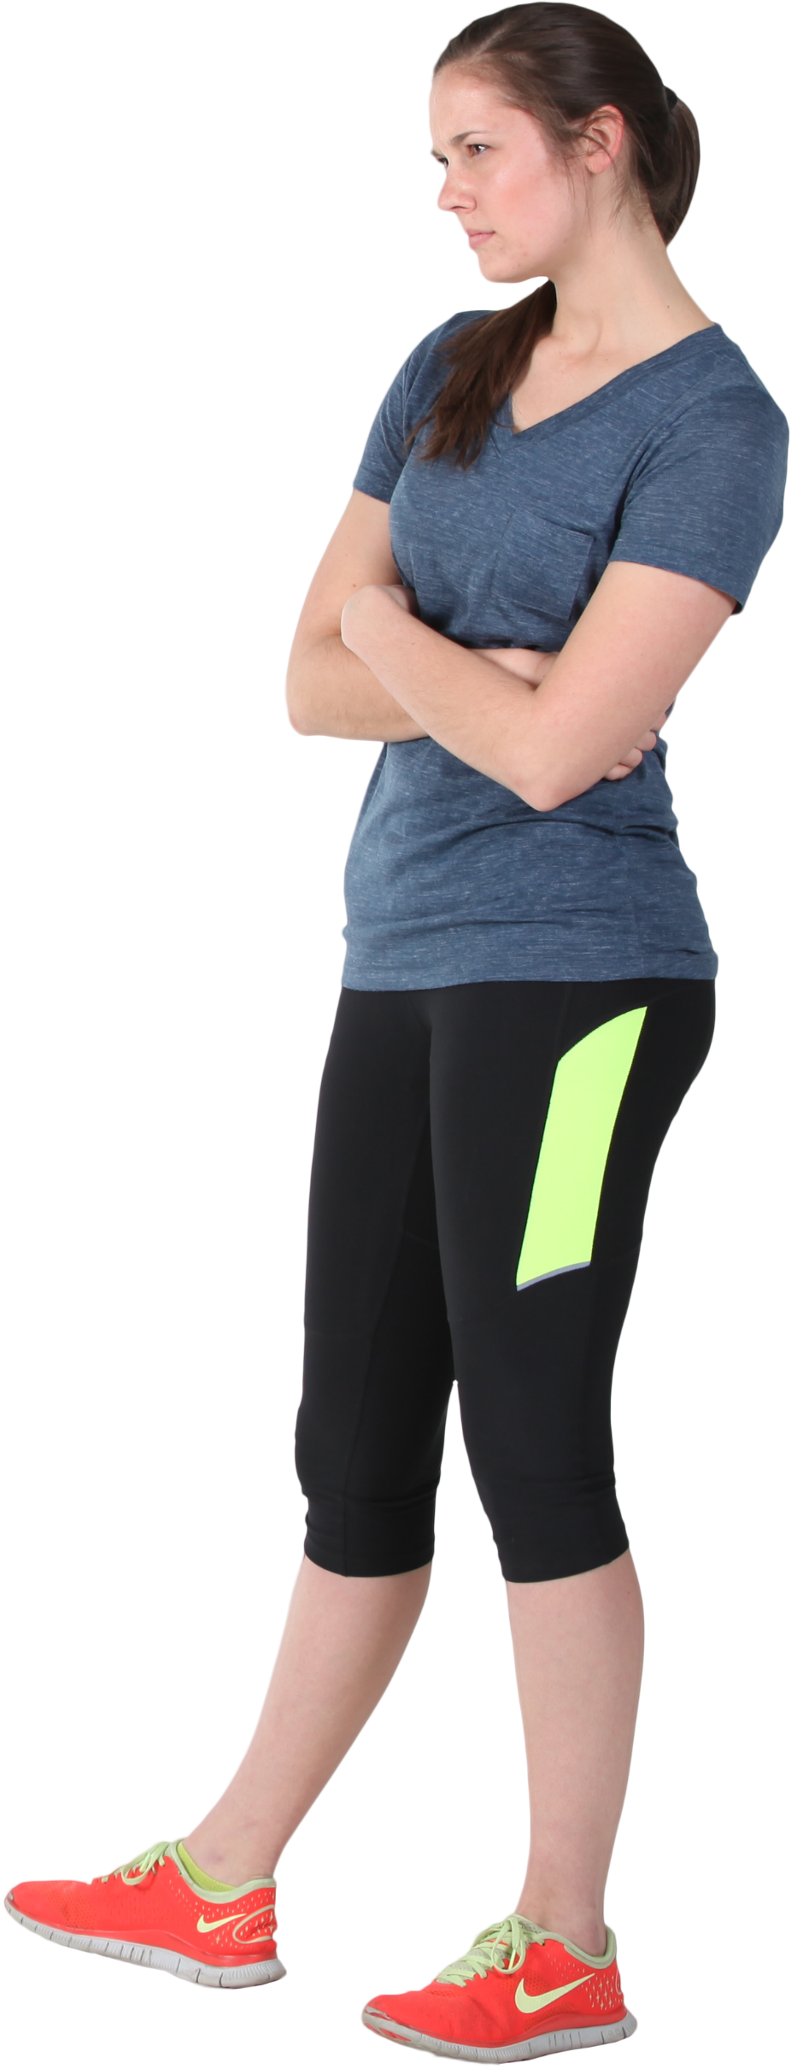
Castle | Lighthouse | Galaxy | Energy |  |  |  | Treasure
Opportunity | Wonder | Hope | Harmony |  |  |  | Journey
Rainbow | Beauty |  | Victory
Freedom | Zephyr |  | Zenith
 | Whisper |  | Love
 | Apple |  | Peace
 | Joy |  | Strength
Generate the list of words which contain at least 3 different vowels.
Ex. Opportunity => contains o, u and i.
 | Yearning |  | Kingdom
 |  |  | Dream
 |  |  | Treasure
 |  |  | Journey

